Scores
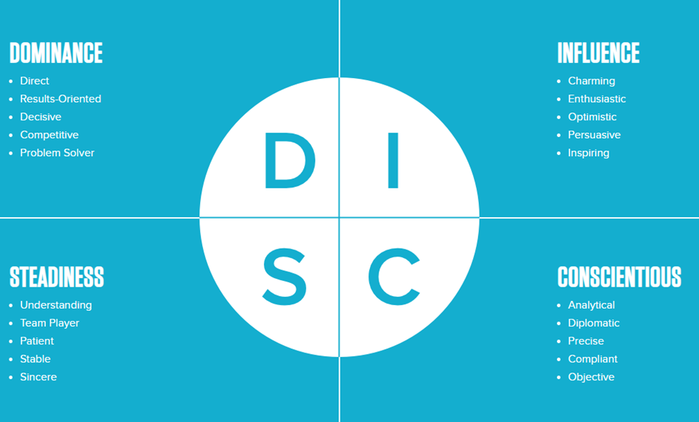

A modern interpretation of Dr. William Marston's behavioral dimensions, this personal strengths profile uncovers four quadrants of behavioral patterns.

 | Your Score
 | 0 | Dominant (D) | 0 | Influencer (I)

 | 0 | Steadniness (S) | 0 | Conscientious (C)

